Sheet1
LSTM Introduction
 | - LSTM is one of the variants of RNN .
 | - Long Short Term Memory

1 | RNN
 |  |  | yi

 |  |  |  | - RNN propagates information to the next cell .

 |  |  | xi

2
 | 1 - how are …...... ?

 |  | you | able to predict as I know how to form a sentence

 | 2 - I am going to teach …..... ?

 |  | LSTM | Probability is too high
 |  | NLP
 |  | DL
 |  | RL

 |  | What is the difference of 1 & 2 .

 |  | 1 - you - I don't need long memory
 |  | 2 - LSTM - 5 mins back .

 | 3 - After this class I am going to talk about …........ ?

 |  | anything

 |  | - This has no relevance with sentence
 |  | - Don't need to remember the sentence

3 | So we may need
 |  | short context
 |  | long context
 |  | don't need any context
 |  |  | so situation is changing , not that data is getting generated .

 | So we need a Neural Network which will fulfil this criteria .

 |  | Somewhere we need previous context , previous of previous , not at all .

 | So LSTM comes into picture .

LSTM Architecture |  | [ Long Short Term Memory Architechture ]

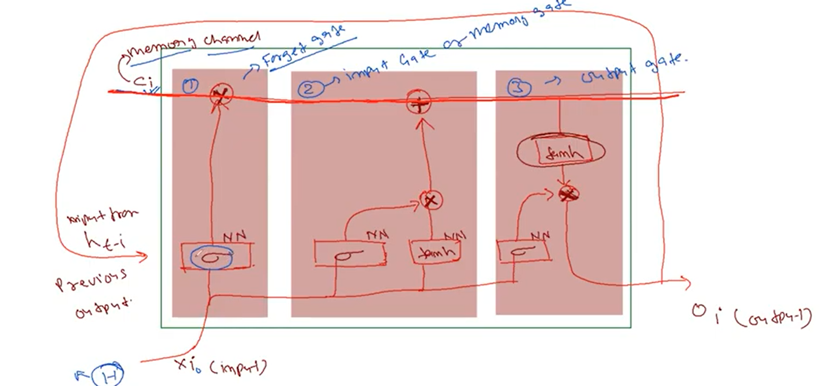

 |  | 1 | Forget Gate |  |  |  | How to forget

 |  | 2 | Input Gate or Memory gate |  |  |  | How to memorize

 |  | 3 | Output gate
1 | Forget

 |  | - RNN passes output of one NN to the input for another NN+It's own input .
 |  | - So it memorize the context .
 |  | - H as input in vec or word2vec from or numerical format .
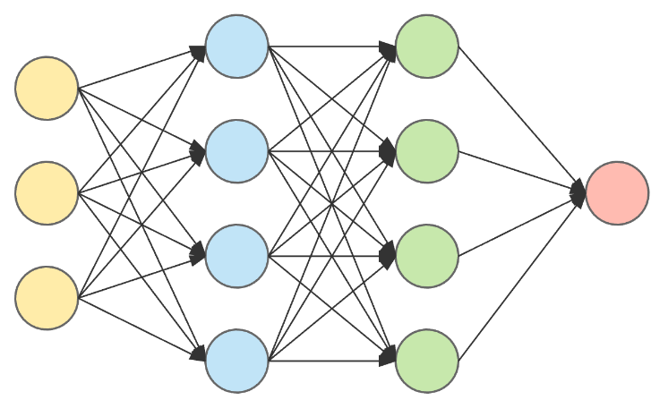
 |  |  |  |  |  |  |  |  | Sigmoid

 |  | - , NN with final output as a sigmoid as output .

 |  | - Sigmoid gives output

 |  | - , NN learn what ?

 |  |  | - 0-1
 |  |  | - 0 - forget about previous one / leant to forget previous one .

 |  | - At t = 0 , what is there in memory ?
 |  |  | Nothing , as we have started with H only .

 |  |  | Suppose to forget from previous one ? Something in memory * 0 = 0

 |  | - task of one NN , is to learn the pattern of forgetting or not forgetting .

 |  | - if ~1 , it remember .

 |  | -

 |  |  | ht-1 -> Previous input
 |  |  | xt1 -> Current input
 |  |  |  | 2 inputs are getting inside NN , one current input + one previous input .

 |  |  | At t=0 , ht-1 = 0 , So ft=0 to forget .

 |  | -
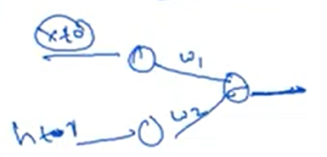
 |  | current

 |  |  |  |  |  | Ot

 |  | previous

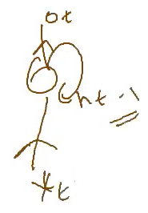
 |  | -

2 | Memory Gate
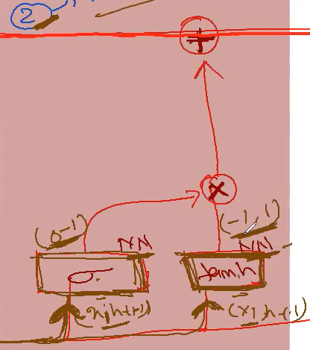

 |  |  |  |  |  |  | - t=0 , Hello

 |  |  |  |  |  |  |  | xi - current
 |  |  |  |  |  |  |  | ht-1 - previous

 |  |  |  |  |  |  | - Actually in all 4 NN , same input is used .

 |  |  |  |  |  |  | -
 |  |  |  |  |  |  |  | whether to add xi into memory or not

 |  |  |  |  |  |  |  | how much to add

 |  | - Vectorial representation of a word .

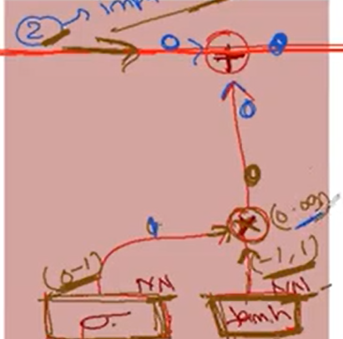
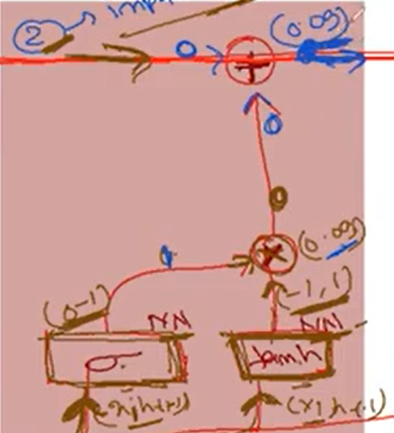

 |  | - + : Learning to previous memory

 |  |  | He….
 |  |  | Hel….. |  | Here 0.09
 |  |  | Hell….....

 |  | - Summary
 |  |  | to add something to the memory
 |  |  | to add something to the context .

 |  | -
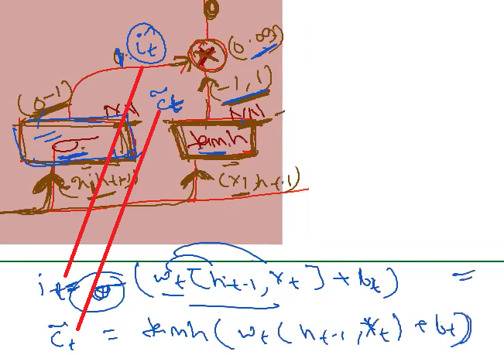
 |  |  |  |  |  |  |  |  |  | Memory gate helps to add something to the ci channel or memory channel .

3 | Output gate
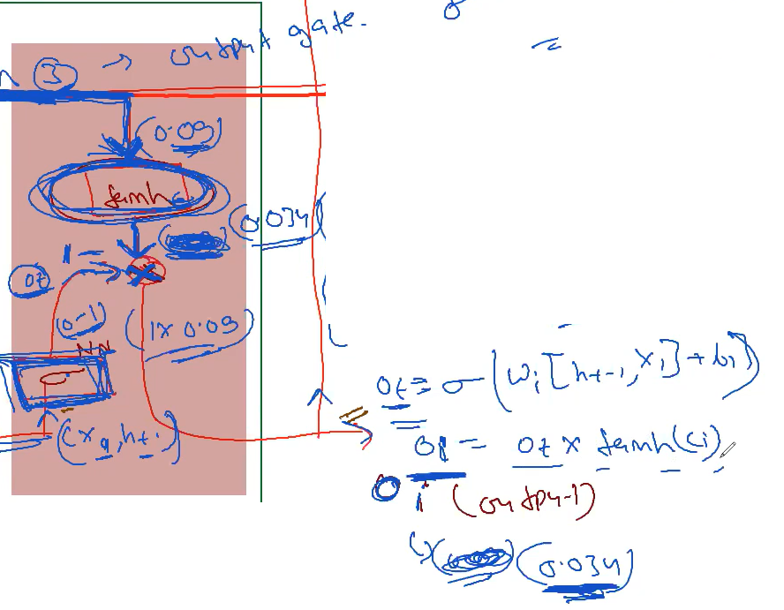
 |  |  |  |  |  |  |  |  |  |  | - oi = 0.839 , So I am remembering/considering memory .

 |  | So we use 3 channels here .
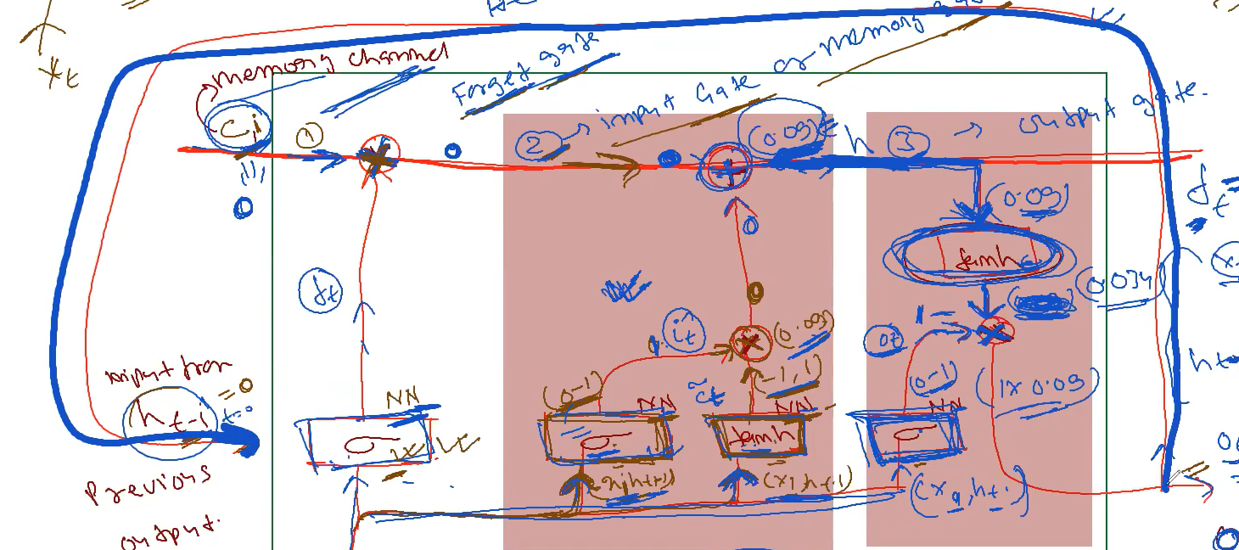

Q | We can use any NN

 |  | But it all depends on experiments , which ever has better outcome can consider that.
 |  | We can change from tanh -> anything , it's upto our choice .

Q | tanh
 |  | Hello
 |  | tanh function will decide what next context .

RNN LSTM
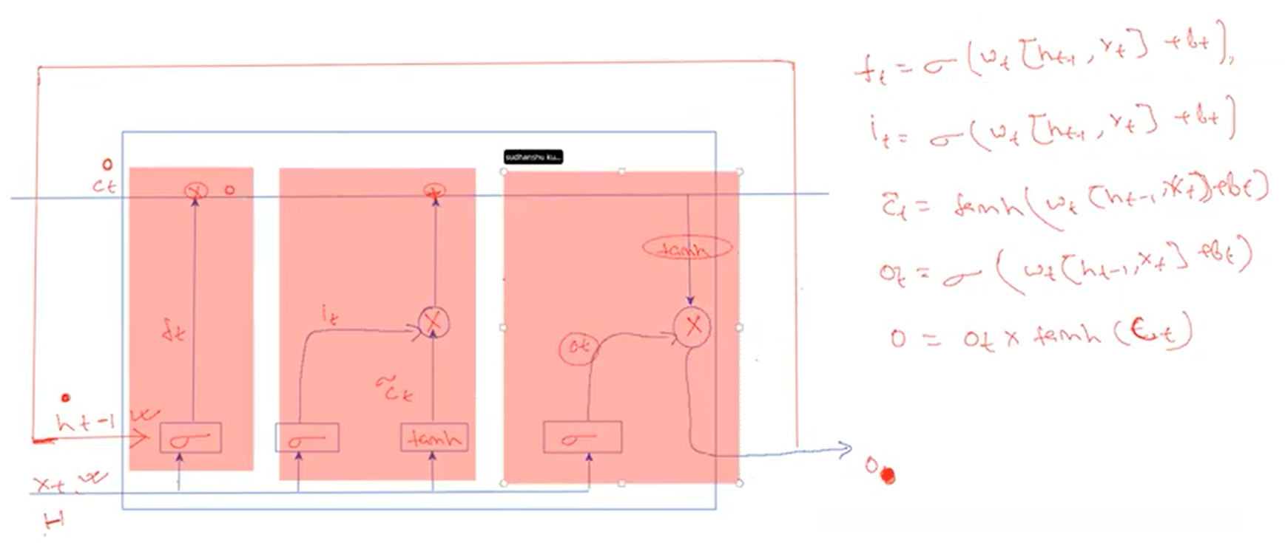

 | - Next HE

 |  | Now xi = E , ht = H ( previous data/output )

 | -
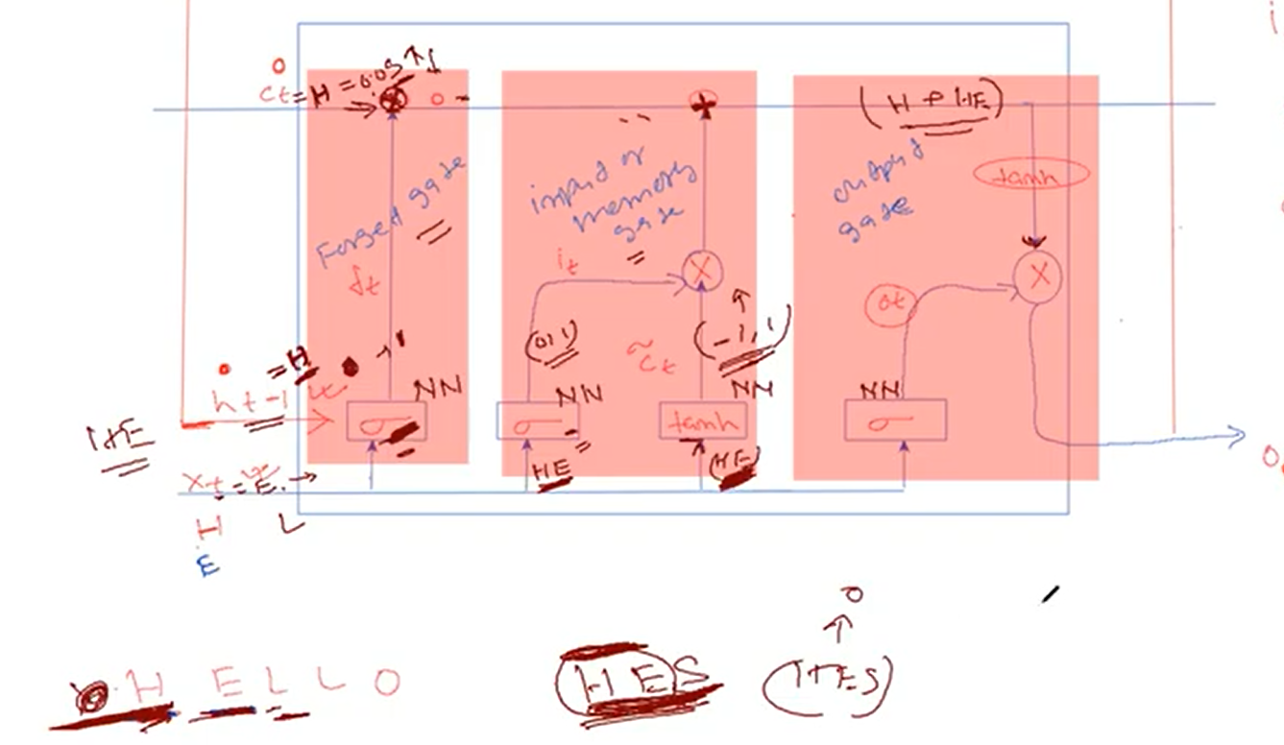

 |  | The above whole process is called 1 LSTM cell .

 | -
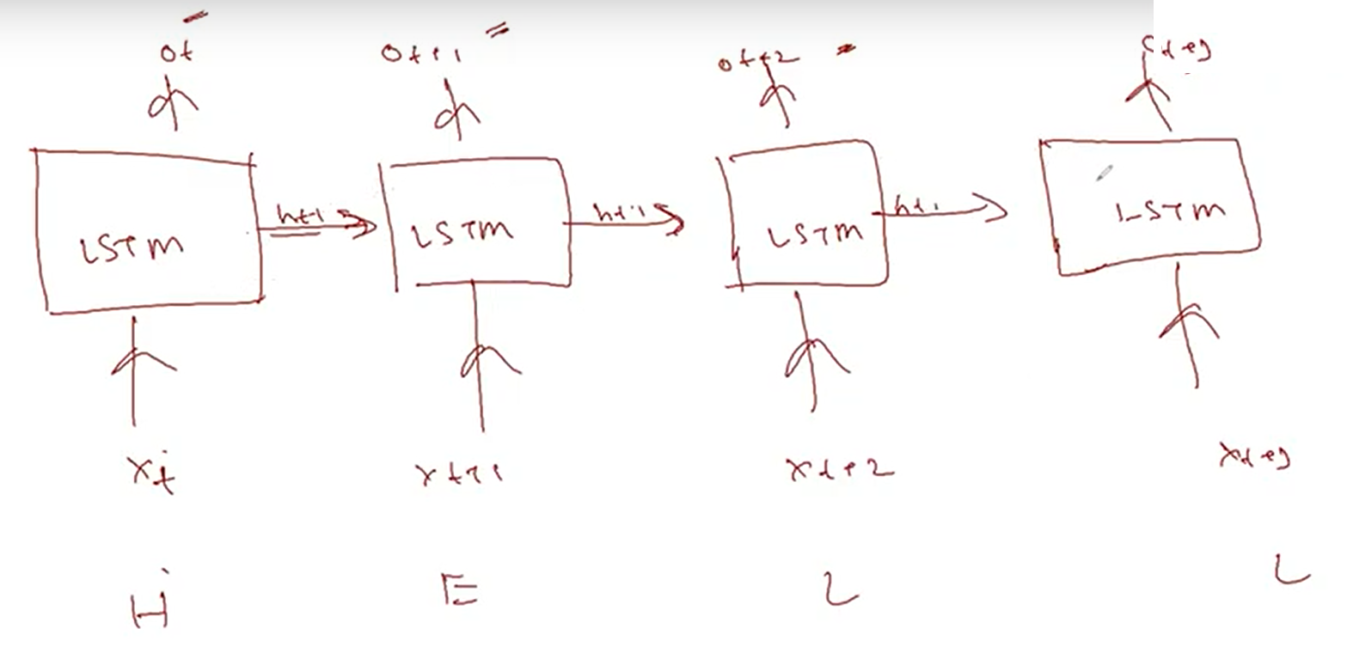

Q | - How back propagation happens ?
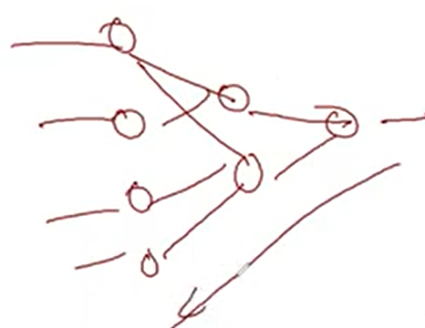

 |  | Same like other NN

 |  | based on y & y_hat ( loss function )
 |  |  | delta_y = y-y_hat
 |  | In NN ,
 |  | do backward propagation & update weights
 |  | keep updating , weights till it trained - learning
 |  |  | - time series example
 |  |  | - speech recognition .

Q | RNN , LSTM were used heavily before 2018 .

 | Later not these are used .

 | - Transformer , Attention based models are used .
 | - So to understand Transformer , Attention based model we need to understand RNN,LSTM .

Q | Transformer can be used for Time Series .

Q | RNN frequently using since 2014 onwards .

Q | Memory channel is only for one LSTM cell .

